3DTouch
marlin on ender 3 |  | https://www.youtube.com/watch?v=sUlqrSq6LeY

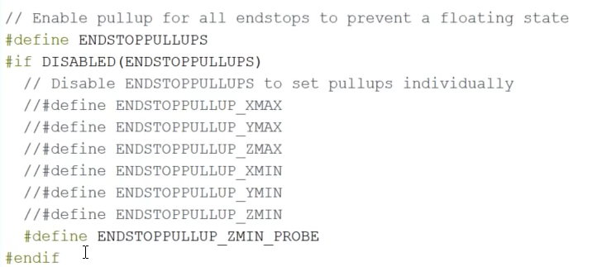
Config.h | ENABLE | ENDSTOPPULLUP_ZMIN_PROBE

 | TRUE | Z_MIN_PROBE_ENDSTOP_INVERTING

 | ENABLE | #define BLTOUCH

 | add line | #define SERVO0_PIN 27

 | set | #define X_PROBE_OFFSET_FROM_EXTRUDER -44
 | set | #define Y_PROBE_OFFSET_FROM_EXTRUDER -10

 | disable | #define MIN_SOFTWARE_ENDSTOP_Z

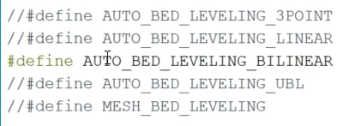
 | ENABLE | #define AUTO_BED_LEVELING_BILINEAR

 | ENABLE | #define Z_SAFE_HOMING

 | Configuration_adv.h

 | enable | #define BABYSTEP_ZPROBE_OFFSET

 | INCREASE | #define BABYSTEP_MULTIPLICATOR 1
 | MULTIPLIER?

 |  | speaker | 2332 |  | 2332
 |  | bootscreen | 1420 |  | 1420
 |  | arc_support | 4232 |  | 4232
 |  | disable_M503 | 3206
 |  | eeprom_chitchat | 892
 |  | slim_lcd_menus | 7994 |  | 7994
 |  |  | 20076 |  | 15978

 | pins_MELZI_CREALITY.h

 |  | add line after other #undef lines

 |  | #undef BEEPER_PIN |  | see | https://www.youtube.com/watch?v=sUlqrSq6LeY |  |  | commet by John Sanders

 |  |  |  |  |  | 8976 | what TeachingTech had

 | compile |  | overflowed by 13256 bytes ! |  |  | 13256 | changes from TeachingTech
 |  |  |  |  |  | 9336 | disable power loss recovery in Configuration_adv.h
 |  |  |  |  |  | 6792 | add #undef BEEPER_PIN in pins_MELZI_CREALITY.h

 |  | in Configuration.h

 | disable | //#define SPEAKER | 2332
 | disable | //#define SHOW_BOOTSCREEN | 1420
 | enable | #define SLIM_LCD_MENUS

 |  | in Configuration.h

 | disable | //#define ARC_SUPPORT | 4232

 |  | sketch uses 122920 bytes, maximum is 130048 |  | 94%

 |  | PROBE TOO CLOSE TO BED CLIPS AT FRONT

 |  | in Configuration.h

 | enable | #define FRONT_PROBE_BED_POSITION MIN_PROBE_EDGE
 | SET | #define MIN_PROBE_EDGE 20 |  | was 10

 |  | extrapolate implied tilt beyond probed grid

 | enable | #define EXTRAPOLATE_BEYOND_GRID

 |  | set number of grid points per dimension

 | set | #define GRID_MAX_POINTS_X 5 |  | was 3

 |  | sketch uses 122848 bytes, maximum is 130048 |  | 94%

 |  | M420 Z10 | LEVELING FADE Z HEIGHT

 |  | #define MULTIPLE_PROBING 2

 |  | #define GRID_MAX_POINTS_X 5

 |  | after firmware update
 |  | in arduino terminal (115200 baud)

 |  | M502 | factory reset
 |  | M851 Z-.38 | set z probe offset
 |  | M500 | save to eeprom

 |  | M503 | report settings

Sheet1
Creality Glass Plate

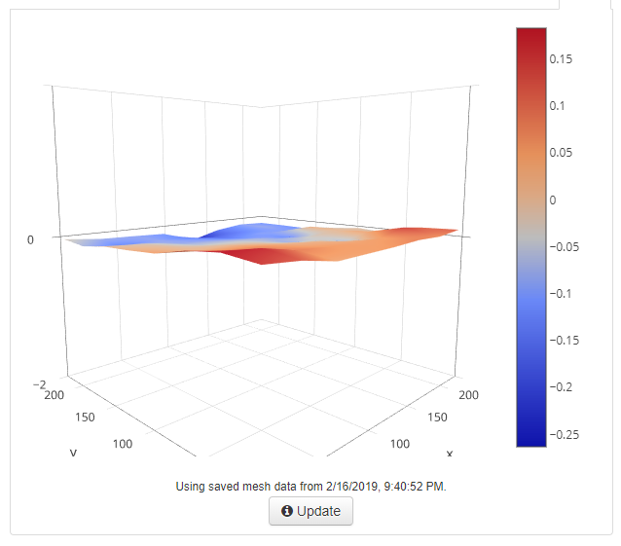
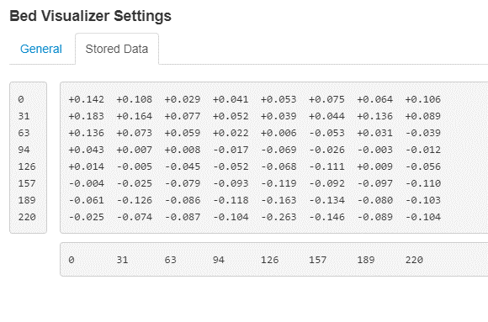

0
31
63
94
126
157
189
220
0.618
0.784
0.235
-0.069
-0.314
-0.619
-0.871
-0.892
Stored Z Values
0 31 63 94 126 157 189 220

